Sheet1
KEIHIN NEEDLE DECODER |  |  |  |  | by Michael Forrest |  |  |  | for PWK33-39 PJ34-38 PE35-38 PWM38 |  |  |  |  |  |  |  |  |  |  |  |  |  |  | ECC | available
 |  |  |  |  | created Feb 07 2022 |  |  |  | first letter | degree | middle letter | L1 length | last letter | diameter |  |  |  |  |  |  |  |  |  | ECE | available
 |  |  |  |  |  |  |  |  | A | 1.00 | C | 36.35 | A | 2.605 |  |  |  |  |  |  |  |  |  | ECF | available
 |  |  |  |  |  |  |  |  | B | 1.25 | D | 36.8 | B | 2.615 |  |  |  |  |  |  |  |  |  | ECG | available
PWK/PJ/PE/PWM |  |  |  |  |  |  |  |  | C | 1.57 | E | 38.15 | C | 2.625 |  |  |  |  |  |  |  |  |  | ECH | available
33-38mm needle ID | Taper degrees | L1 length | max diameter | straight length |  |  |  |  | D | 1.75 | F | 38.6 | D | 2.635 |  |  |  |  |  |  |  |  |  | ECJ | available
CEL | 1.57 | 38.15 | 2.705 | 33.3 |  |  |  | 6.93 | E | 2.00 | G | 39.95 | E | 2.645 |  |  |  |  |  |  |  |  |  | ECK | available
for PWK26-28 PE26-28 | Taper degrees | L1 length | max diameter | straight length |  |  |  |  | F | 2.25 | H | 40.4 | F | 2.655 |  |  |  |  |  |  |  |  |  | ECL | available
GJM | 2.43 | 25.40 | 2.475 | 28.4 |  |  | 0.94 | -0.94 | G | 2.43 | J | 41.75 | G | 2.665 |  |  |  |  |  |  |  |  |  | ECN | available
stock needle ID | Taper degrees | L1 length | max diameter | straight length |  |  |  |  | J | 3.00 | K | 42.2 | H | 2.675 |  |  |  |  |  |  |  |  |  | ECQ | available
R1369G | 1.57 | 37.3 | 2.69 | 33.0 |  |  |  | 6.38 |  |  | L | 43.55 | I | 2.68 |  |  |  |  |  |  |  |  |  | EEE | available
 | Equivalent 3 Letter Needle to Stock Needle |  |  |  |  |  |  |  | Taper Angle Finder |  | M | 44 | J | 2.685 |  |  |  |  |  |  |  |  |  | EEF | available
 | First Letter | Second Letter | Third Letter | Needle Code | SUDCO | Needle Code | SUDCO |  | length between dia's | start diameter | N | 45.35 | K | 2.695 |  |  |  |  |  |  |  |  |  | EEG | available
 | C | D or E | J or K | CDJ | #N/A | CEJ | available |  | 10 | 2.52 |  |  | L | 2.705 |  |  |  |  |  |  |  |  |  | EEH | available
 |  |  |  | CEK | available | CDK | #N/A |  | end diameter | taper angle (full) |  |  | M | 2.715 |  |  |  |  |  |  |  |  |  | EEJ | available
 |  | AVAILABLE 3 LETTER NEEDLES FOR 33-38mm CARBS |  |  |  | SUDCO |  |  | 2.3 | 1.260 |  |  | N | 2.725 |  |  |  |  |  |  |  |  |  | EEK | available
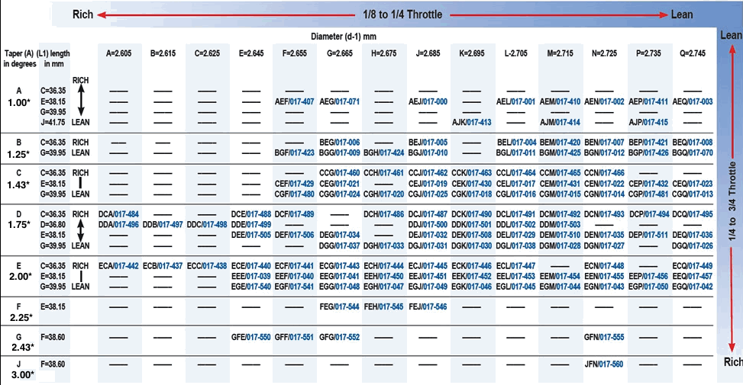
 |  |  |  |  |  |  |  |  |  |  |  |  | O | 2.73 |  |  |  |  |  |  |  |  |  | EEL | available
 |  |  |  |  |  |  |  |  |  |  |  |  | P | 2.735 |  |  |  |  |  |  |  |  |  | EEM | available
 |  |  |  |  |  |  |  |  |  |  |  |  | Q | 2.745 |  |  |  |  |  |  |  |  |  | EEP | available
 |  |  |  |  |  |  |  |  | for PE26-28 PWK26-28 |  |  |  |  |  |  |  |  |  |  |  |  |  |  | EEQ | available
 |  |  |  |  |  |  |  |  | first letter | degree | middle letter | L1 length | last letter | diameter |  |  |  |  |  |  |  |  |  | EGE | available
 |  |  |  |  |  |  |  |  | G | 2.43 | F | 22.25 | D | 2.395 |  |  |  |  |  |  |  |  |  | EGF | available
 |  |  |  |  |  |  |  |  | H | 2.75 | G | 23.6 | E | 2.405 |  |  |  |  |  |  |  |  |  | EGG | available
 |  |  |  |  |  |  |  |  | J | 3.00 | J | 25.4 | F | 2.415 |  |  |  |  |  |  |  |  |  | EGH | available
 |  |  |  |  |  |  |  |  | K | 3.25 | K | 25.85 | G | 2.425 |  |  |  |  |  |  |  |  |  | EGJ | available
 |  |  |  |  |  |  |  |  | L | 3.55 | L | 27.2 | H | 2.435 |  |  |  |  |  |  |  |  |  | EGK | available
 |  |  |  |  |  |  |  |  | M | 3.83 |  |  | J | 2.445 |  |  |  |  |  |  |  |  |  | EGL | available
 |  |  |  |  |  |  |  |  |  |  |  |  | K | 2.455 |  |  |  |  |  |  |  |  |  | EGM | available
 |  |  |  |  |  |  |  |  |  |  |  |  | L | 2.465 |  |  |  |  |  |  |  |  |  | EGN | available
 |  |  |  |  |  |  |  |  |  |  |  |  | M | 2.475 |  |  |  |  |  |  |  |  |  | EGP | available
 |  |  |  |  |  |  |  |  |  |  |  |  | N | 2.485 |  |  |  |  |  |  |  |  |  | EGQ | available
 |  |  |  |  |  |  |  |  |  |  |  |  | P | 2.495 |  |  |  |  |  |  |  |  |  | FEG | available
 |  |  |  |  |  |  |  |  |  |  |  |  | Q | 2.505 |  |  |  |  |  |  |  |  |  | FEH | available
 |  |  |  |  |  |  |  |  |  |  |  |  | S | 2.525 |  |  |  |  |  |  |  |  |  | FEJ | available
 |  |  |  |  |  |  |  |  | OEM needle codes |  |  |  |  |  | EQUIVALENT THREE LETTER NEEDLE CODES |  |  |  |  |  |  |  |  | GFF | available
 |  |  |  |  |  |  |  |  | 1st # pair | degree | 2nd # pair | diameter | last letter | L1 length | First Letter |  | Second Letter |  |  |  |  |  |  | GFG | available
 |  |  |  |  |  |  |  |  | 11 | 1.25 | 60 | 2.6 | E | 36.35 | 1.25 | B | 36.35 | C | 36.35 | Third Letter |  |  |  | GFN | available
 |  |  |  |  |  |  |  |  | 13 | 1.57 | 61 | 2.61 | F | 36.8 | 1.57 | C | 36.80 | D | 36.8 | 2.61 | A or B | A | 2.605 | GHF | available
 |  |  |  |  |  |  |  |  | 14 | 1.75 | 62 | 2.62 | G | 37.25 | 1.75 | D | 37.25 | D or E |  | 2.62 | B or C | B | 2.615 | JEN | available
 |  |  |  |  |  |  |  |  | 20 | 2.00 | 63 | 2.63 | J | 38.15 | 2.00 | E | 38.15 | E | 38.15 | 2.63 | C or D | C | 2.625 | JFN | available
 |  |  |  |  |  |  |  |  | 22 | 2.25 | 64 | 2.64 | K | 38.6 | 2.25 | F | 38.60 | F | 38.6 | 2.64 | D or E | D | 2.635 | AEF | available
 |  |  |  |  |  |  |  |  | 30 | 3.00 | 65 | 2.65 | L | 39.05 | 3.00 | J | 39.05 | F or G |  | 2.65 | E or F | E | 2.645 | AEG | available
 |  |  |  |  |  |  |  |  |  |  | 66 | 2.66 | M | 39.5 |  |  | 39.50 | F or G |  | 2.66 | F or G | F | 2.655 | AEJ | available
 |  |  |  |  |  |  |  |  |  |  | 67 | 2.67 | N | 39.95 |  |  | 39.95 | G | 39.95 | 2.67 | G or H | G | 2.665 | AEL | available
 |  |  |  |  |  |  |  |  |  |  | 68 | 2.68 | P | 40.4 |  |  | 40.40 | H | 40.4 | 2.68 | I | H | 2.675 | AEN | available
 |  |  |  |  |  |  |  |  |  |  | 69 | 2.69 | S | 41.75 |  |  |  | J | 41.75 | 2.69 | J or K | I | 2.68 | AEQ | available
 |  |  |  |  |  |  |  |  |  |  | 70 | 2.7 |  |  |  |  |  |  |  | 2.7 | K or L | J | 2.685 | AJK | available
 |  |  |  |  |  |  |  |  |  |  | 71 | 2.71 |  |  |  |  |  |  |  | 2.71 | L or M | K | 2.695 | AJM | available
 |  |  |  |  |  |  |  |  |  |  | 72 | 2.72 |  |  |  |  |  |  |  | 2.72 | M or N | L | 2.705 | AJP | available
 |  | AVAILABLE NEEDLES FOR PE26-28 PWK26-28 |  |  | Jets_R-Us |  |  |  |  |  | 73 | 2.73 |  |  |  |  |  |  |  | 2.73 | O | M | 2.715 | BEG | available
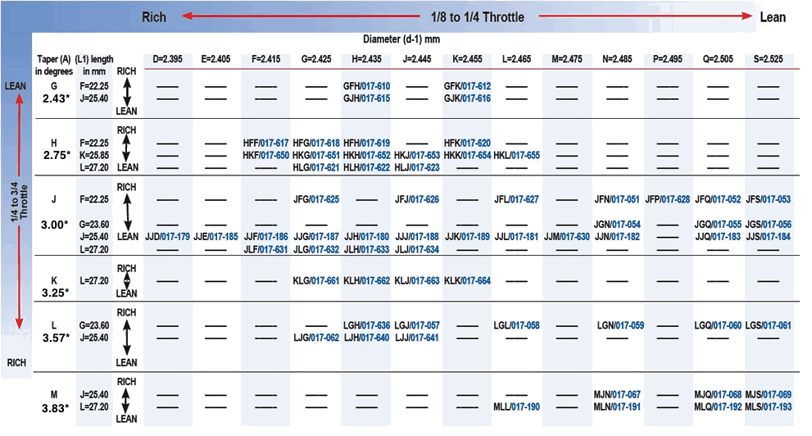
 |  |  |  |  |  |  |  |  |  |  | 74 | 2.74 |  |  |  |  |  |  |  | 2.74 | P or Q | N | 2.725 | BEJ | available
 |  |  |  |  |  |  |  |  |  |  | 75 | 2.75 |  |  |  |  |  |  |  | 2.75 | Q | O | 2.730 | BEL | available
 |  |  |  |  |  |  |  |  |  |  | 76 | 2.76 |  |  |  |  |  |  |  |  |  | P | 2.735 | BEM | available
 |  |  |  |  |  |  |  |  |  |  | 77 | 2.77 |  |  |  |  |  |  |  |  |  | Q | 2.745 | BEN | available
 |  |  |  |  |  |  |  |  |  |  | 78 | 2.78 |  |  |  |  |  |  |  |  |  |  |  | BEP | available
 |  |  |  |  |  |  |  |  |  |  | 79 | 2.79 |  |  |  |  |  |  |  |  |  |  |  | BEQ | available
 |  |  |  |  |  |  |  |  |  |  | 80 | 2.8 |  |  |  |  |  |  |  |  |  |  |  | BGF | available
 |  |  |  |  |  |  |  |  |  |  | 81 | 2.81 |  |  |  |  |  |  |  |  |  |  |  | BGG | available
 |  |  |  |  |  |  |  |  |  |  | 82 | 2.82 |  |  |  |  |  |  |  |  |  |  |  | BGH | available
 |  |  |  |  |  |  |  |  |  |  | 83 | 2.83 |  |  |  |  |  |  |  |  |  |  |  | BGJ | available
 |  |  |  |  |  |  |  |  |  |  |  |  |  |  |  |  |  |  |  |  |  |  |  | BGL | available
 |  |  |  |  |  |  |  |  |  |  |  |  |  |  |  |  |  |  |  |  |  |  |  | BGM | available
 |  |  |  |  |  |  |  |  |  |  |  |  |  |  |  |  |  |  |  |  |  |  |  | BGN | available
 |  |  |  |  |  |  |  |  |  |  |  |  |  |  |  |  |  |  |  |  |  |  |  | BGP | available
 |  |  |  |  |  |  |  |  |  |  |  |  |  |  |  |  |  |  |  |  |  |  |  | BGQ | available
 |  |  |  |  |  |  |  |  |  |  |  |  |  |  |  |  |  |  |  |  |  |  |  | CCG | available
 |  |  |  |  |  |  |  |  |  |  |  |  |  |  |  |  |  |  |  |  |  |  |  | CCH | available
 |  |  |  |  |  |  |  |  |  |  |  |  |  |  |  |  |  |  |  |  |  |  |  | CCJ | available
 |  |  |  |  |  |  |  |  |  |  |  |  |  |  |  |  |  |  |  |  |  |  |  | CCK | available
 |  |  |  |  |  |  |  |  |  |  |  |  |  |  |  |  |  |  |  |  |  |  |  | CCL | available
 |  |  |  |  |  |  |  |  |  |  |  |  |  |  |  |  |  |  |  |  |  |  |  | CCM | available
 |  |  |  |  |  |  |  |  |  |  |  |  |  |  |  |  |  |  |  |  |  |  |  | CCN | available
 |  |  |  |  |  |  |  |  |  |  |  |  |  |  |  |  |  |  |  |  |  |  |  | CEF | available
 |  |  |  |  |  |  |  |  |  |  |  |  |  |  |  |  |  |  |  |  |  |  |  | CEG | available
 |  |  |  |  |  |  |  |  |  |  |  |  |  |  |  |  |  |  |  |  |  |  |  | CEJ | available
 |  |  |  |  |  |  |  |  |  |  |  |  |  |  |  |  |  |  |  |  |  |  |  | CEK | available
 |  |  |  |  |  |  |  |  |  |  |  |  |  |  |  |  |  |  |  |  |  |  |  | CEL | available
 |  |  |  |  |  |  |  |  |  |  |  |  |  |  |  |  |  |  |  |  |  |  |  | CEM | available
 |  |  |  |  |  |  |  |  |  |  |  |  |  |  |  |  |  |  |  |  |  |  |  | CEN | available
 |  |  |  |  |  |  |  |  |  |  |  |  |  |  |  |  |  |  |  |  |  |  |  | CEP | available
 |  |  |  |  |  |  |  |  |  |  |  |  |  |  |  |  |  |  |  |  |  |  |  | CEQ | available
 |  |  |  |  |  |  |  |  |  |  |  |  |  |  |  |  |  |  |  |  |  |  |  | CGF | available
 |  |  |  |  |  |  |  |  |  |  |  |  |  |  |  |  |  |  |  |  |  |  |  | CGG | available
 |  |  |  |  |  |  |  |  |  |  |  |  |  |  |  |  |  |  |  |  |  |  |  | CGH | available
 |  |  |  |  |  |  |  |  |  |  |  |  |  |  |  |  |  |  |  |  |  |  |  | CGJ | available
My | Jetting Calculator | integrates all the carburetor variables and graphs the jetting (blue line) over the whole throttle range. |  |  |  |  |  |  |  |  |  |  |  |  |  |  |  |  |  |  |  |  |  | CGK | available
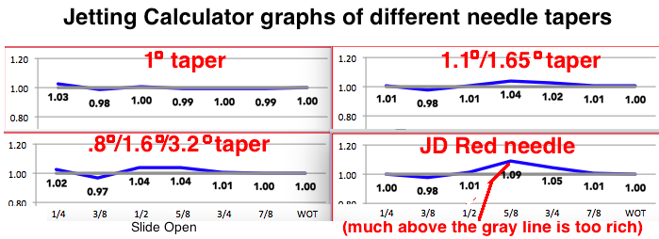
 |  |  |  |  |  |  |  |  |  |  |  |  |  |  |  |  |  |  |  |  |  |  |  | CGL | available
 |  |  |  |  |  |  |  |  |  |  |  |  |  |  |  |  |  |  |  |  |  |  |  | CGM | available
 |  |  |  |  |  |  |  |  |  |  |  |  |  |  |  |  |  |  |  |  |  |  |  | CGN | available
 |  |  |  |  |  |  |  |  |  |  |  |  |  |  |  |  |  |  |  |  |  |  |  | CGP | available
 |  |  |  |  |  |  |  |  |  |  |  |  |  |  |  |  |  |  |  |  |  |  |  | CGQ | available
 |  |  |  |  |  |  |  |  |  |  |  |  |  |  |  |  |  |  |  |  |  |  |  | DCA | available
 |  |  |  |  |  |  |  |  |  |  |  |  |  |  |  |  |  |  |  |  |  |  |  | DCE | available
 |  |  |  |  |  |  |  |  |  |  |  |  |  |  |  |  |  |  |  |  |  |  |  | DCF | available
 |  |  |  |  |  |  |  |  |  |  |  |  |  |  |  |  |  |  |  |  |  |  |  | DCH | available
 |  |  |  |  |  |  |  |  |  |  |  |  |  |  |  |  |  |  |  |  |  |  |  | DCJ | available
 |  |  |  |  |  |  |  |  |  |  |  |  |  |  |  |  |  |  |  |  |  |  |  | DCK | available
 |  |  |  |  |  |  |  |  |  |  |  |  |  |  |  |  |  |  |  |  |  |  |  | DCL | available
 |  |  |  |  |  |  |  |  |  |  |  |  |  |  |  |  |  |  |  |  |  |  |  | DCM | available
 |  |  |  |  |  |  |  |  |  |  |  |  |  |  |  |  |  |  |  |  |  |  |  | DCN | available
 |  |  |  |  |  |  |  |  |  |  |  |  |  |  |  |  |  |  |  |  |  |  |  | DCP | available
 |  |  |  |  |  |  |  |  |  |  |  |  |  |  |  |  |  |  |  |  |  |  |  | DCQ | available
 |  |  |  |  |  |  |  |  |  |  |  |  |  |  |  |  |  |  |  |  |  |  |  | DDA | available
 |  |  |  |  |  |  |  |  |  |  |  |  |  |  |  |  |  |  |  |  |  |  |  | DDC | available
 | Graphs vary based on carb size, engine size, and max RPM so the above graphs aren't universally true. |  |  |  |  |  |  |  |  |  |  |  |  |  |  |  |  |  |  |  |  |  |  | DDE | available
 | You need to use the jetting calculator with your own data to see which needle, needle height, and cutaway is best. |  |  |  |  |  |  |  |  |  |  |  |  |  |  |  |  |  |  |  |  |  |  | DDJ | available
 | Click Here | for my full list of inexpensive 2 stroke calculators (Excel spreadsheets). |  |  |  |  |  |  |  |  |  |  |  |  |  |  |  |  |  |  |  |  |  | DDK | available
 |  |  |  |  |  |  |  |  |  |  |  |  |  |  |  |  |  |  |  |  |  |  |  | DDL | available
 |  |  |  |  |  |  |  |  |  |  |  |  |  |  |  |  |  |  |  |  |  |  |  | DDM | available
 |  |  |  |  |  |  |  |  |  |  |  |  |  |  |  |  |  |  |  |  |  |  |  | DEE | available
 |  |  |  |  |  |  |  |  |  |  |  |  |  |  |  |  |  |  |  |  |  |  |  | DEF | available
 |  |  |  |  |  |  |  |  |  |  |  |  |  |  |  |  |  |  |  |  |  |  |  | DEG | available
 |  |  |  |  |  |  |  |  |  |  |  |  |  |  |  |  |  |  |  |  |  |  |  | DEJ | available
 |  |  |  |  |  |  |  |  |  |  |  |  |  |  |  |  |  |  |  |  |  |  |  | DEK | available
 |  |  |  |  |  |  |  |  |  |  |  |  |  |  |  |  |  |  |  |  |  |  |  | DEL | available
 |  |  |  |  |  |  |  |  |  |  |  |  |  |  |  |  |  |  |  |  |  |  |  | DEM | available
 |  |  |  |  |  |  |  |  |  |  |  |  |  |  |  |  |  |  |  |  |  |  |  | DEN | available
 |  |  |  |  |  |  |  |  |  |  |  |  |  |  |  |  |  |  |  |  |  |  |  | DEP | available
 |  |  |  |  |  |  |  |  |  |  |  |  |  |  |  |  |  |  |  |  |  |  |  | DEQ | available
 |  |  |  |  |  |  |  |  |  |  |  |  |  |  |  |  |  |  |  |  |  |  |  | DGG | available
 |  |  |  |  |  |  |  |  |  |  |  |  |  |  |  |  |  |  |  |  |  |  |  | DGH | available
 |  |  |  |  |  |  |  |  |  |  |  |  |  |  |  |  |  |  |  |  |  |  |  | DGJ | available
 |  |  |  |  |  |  |  |  |  |  |  |  |  |  |  |  |  |  |  |  |  |  |  | DGK | available
 |  |  |  |  |  |  |  |  |  |  |  |  |  |  |  |  |  |  |  |  |  |  |  | DGL | available
 |  |  |  |  |  |  |  |  |  |  |  |  |  |  |  |  |  |  |  |  |  |  |  | DGM | available
 |  |  |  |  |  |  |  |  |  |  |  |  |  |  |  |  |  |  |  |  |  |  |  | DGN | available
 |  |  |  |  |  |  |  |  |  |  |  |  |  |  |  |  |  |  |  |  |  |  |  | DGQ | available
 |  |  |  |  |  |  |  |  |  |  |  |  |  |  |  |  |  |  |  |  |  |  |  | DHN | available
 |  |  |  |  |  |  |  |  |  |  |  |  |  |  |  |  |  |  |  |  |  |  |  | ECA | available
 |  |  |  |  |  |  |  |  |  |  |  |  |  |  |  |  |  |  |  |  |  |  |  | ECB | available

