Sheet1
 |  |  | Intake Tract Flow Analysis

 |  |  |  |  |  |  |  | NOTES: | 14mm carb .7 to .9 ratio
 | outer zone
Carb Size | flow ratio #1
38 | 0.19 | 0.135
Carb Area | 0.19
1134 | Inner Zone 1 | zone 2 | zone 3 | zone 4 | zone 5 | zone 6 | Outer Zone 7
Flow Ratio | 1 | 0.784 | 0.622 | 0.502 | 0.379 | 0.271 | 0.19
Zone Speeds | 182 | 143.1 | 113.5 | 91.6 | 69.2 | 49.4 | 34.7
Zone Areas | 22.7 | 69.1 | 115.6 | 162.1 | 207.4 | 253.9 | 301.5
Volumes | 4137 | 9892 | 13122 | 14843 | 14345 | 12556 | 10453 | 79348
% Vol Total | 5.2 | 12.5 | 16.5 | 18.7 | 18.1 | 15.8 | 13.2
Speed x % | 9.5 | 17.8 | 18.8 | 17.1 | 12.5 | 7.8 | 4.6
 | 1 | 2 | 3 | 4 | 5 | 6 | 7
 | outer zone
Carb Size | flow ratio #2
38 | 0.39 | 0.102
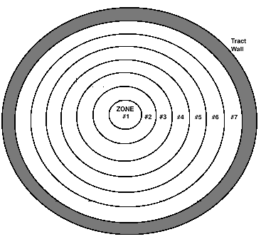
Carb Area | 0.39
1134 | Inner Zone 1 | zone 2 | zone 3 | zone 4 | zone 5 | zone 6 | Outer Zone 7
Flow Ratio | 1 | 0.84 | 0.72 | 0.625 | 0.53 | 0.451 | 0.39
Zone Speeds | 131 | 109.4 | 93.5 | 81.7 | 69.6 | 58.9 | 51.0
Zone Areas | 22.7 | 69.1 | 115.6 | 162.1 | 207.4 | 253.9 | 301.5
Volumes | 2963 | 7567 | 10810 | 13238 | 14433 | 14967 | 15370 | 79348
% Vol Total | 3.7 | 9.5 | 13.6 | 16.7 | 18.2 | 18.9 | 19.4
Speed x % | 4.9 | 10.4 | 12.7 | 13.6 | 12.7 | 11.1 | 9.9

My other 2 stroke spreadsheets:
www.dragonfly75.com/moto/calculators.html

