Sheet1
Cone Pattern Calculator

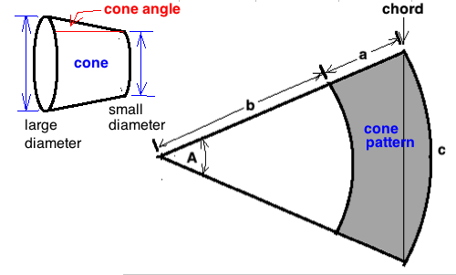

large end | small end | cone angle
diameter | diameter | from center | length A | length B | A + B | chord of C | angle of A
67.5 | 23.5 | 6.2 | 203.7 | 108.8 | 312.5 | 208.0 | 38.9

(lengths are in millimeters)
(add sheet metal thickness to inner diameters)
(draw the cone pattern on poster paper)

