Sheet1
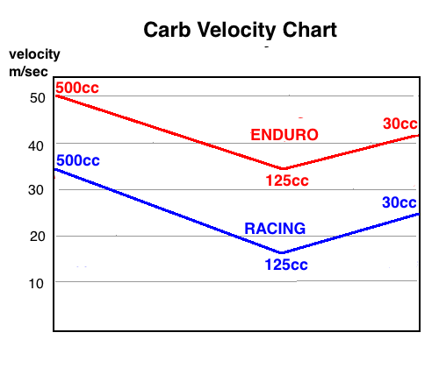
 | Carb Velocity Calculator |  |  |  |  | by Michael Forrest
 |  |  |  |  |  | web page

 |  |  | mm carb | Intake | Carb Flow |  |  | mm ideal
engine cc | trans duration | max RPM | diameter | Volume L/min | Velocity m/sec | type of riding | ideal velocity | carb diameter
125 | 124 | 11000 | 28 | 1070 | 29.0 | enduro/street | 34.0 | 25.9
 |  |  |  |  |  | racing | 17.0 | 36.6
 | vol. efficiency |  | cm2 carb
 | 0.78 |  | area
 |  |  | 6.15

